alg_dim_consumer_geography
Number |  | Test Scenario | Result | Status
1 | Validate | Each field type is correct according to the schema |  | pass

2 | compare | Compare count from source table in Cambrian and target table in Oracle
 |  | select count(*) from im_auto_insights_db.dealertrack_summary where laststatus IN ("APPROVED","CONDITIONAL APPROVAL","BOOKED") and YEAR(laststatusdate) >= YEAR(current_timestamp()) - 3 and dt_archive <=201909 | 6351515
 |  | Oracle - select sum(record_count)as count from AUTOLEADGEN_MGR.alg_fact_alg_dealer; | 6351515 | pass

3 | compare | Compare source table in Cambrian and target table in Oracle for each archive
 | Cambrian Step 1 | create view qa.consumer_geography as SELECT r.*, NVL(p.place_name,"N/A") AS place_name FROM (SELECT NVL(d.consumer_province,"N/A") AS consumer_province, NVL(d.consumer_city,"N/A") AS consumer_city, IF(d.consumer_postal IS NULL OR LENGTH(TRIM(d.consumer_postal)) = 0,"N/A",d.consumer_postal) AS consumer_postal, COUNT(*) AS occurrences FROM autoinsights_test_db.dealertrack_summary d WHERE d.dt_archive > 0 AND d.laststatus IN ('APPROVED','CONDITIONAL APPROVAL','BOOKED') AND YEAR(d.laststatusdate) >= YEAR(current_timestamp()) - 3 GROUP BY d.consumer_province, d.consumer_city, IF(d.consumer_postal IS NULL OR LENGTH(TRIM(d.consumer_postal)) = 0,"N/A",d.consumer_postal)) r LEFT OUTER JOIN im_auto_insights_db.place_name_impala p ON SUBSTR(r.consumer_postal,1,3) = p.postal_code ORDER BY occurrences DESC, consumer_province, consumer_city,consumer_postal
 | Cambrian Step 2 | select CASE p.consumer_province WHEN "AB" THEN "WEST" WHEN "BC" THEN "WEST" WHEN "MB" THEN "CENTRAL" WHEN "NB" THEN "EAST" WHEN "NL" THEN "EAST" WHEN "NT" THEN "OTHERS" WHEN "NS" THEN "EAST" WHEN "NU" THEN "OTHERS" WHEN "ON" THEN "ONTARIO" WHEN "PE" THEN "EAST" WHEN "QC" THEN "QUEBEC" WHEN "SK" THEN "CENTRAL" WHEN "YT" THEN "OTHERS" ELSE "N/A" END AS consumer_region, CASE p.consumer_province WHEN "AB" THEN "ALBERTA" WHEN "BC" THEN "BRITISH COLUMBIA" WHEN "MB" THEN "MANITOBA" WHEN "NB" THEN "NEW BRUNSWICK" WHEN "NL" THEN "NEWFOUNDLAND & LABRADOR" WHEN "NT" THEN "NORTHWEST TERRITORIES" WHEN "NS" THEN "NOVA SCOTIA" WHEN "NU" THEN "NUNAVUT" WHEN "ON" THEN "ONTARIO" WHEN "PE" THEN "PRINCE EDWARD ISLAND" WHEN "QC" THEN "QUEBEC" WHEN "SK" THEN "SASKATCHEWAN" WHEN "YT" THEN "YUKON" ELSE "N/A" END AS province, p.consumer_city,p.place_name,p.consumer_postal,p.occurrences from qa.consumer_geography p ORDER BY p.occurrences DESC
 |  | Oracle- Select * from (SELECT * FROM AUTOLEADGEN_MGR.alg_dim_consumer_geography order by geo_id) where rownum<= 99999; |  | pass

4 | validate - consumer_region | Compare records in Cambrian have same records in Oracle for same region
 |  | Use Vlookup to compare the same Geo_ID has the region in Cambrian match with same Geo_ID's region in Oracle | 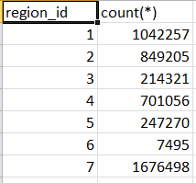 | pass

5 | validate - consumer_province | Compare records in Cambrian have same records in Oracle for same province
 |  | Use Vlookup to compare the same Geo_ID has the province in Cambrian match with same Geo_ID's province in Oracle | 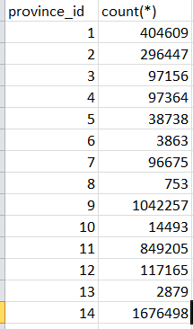 | pass

6 | validate - consumer_city | Compare records in Cambrian have same records in Oracle for same city
 |  | Use Vlookup to compare the same Geo_ID has the city in Cambrian match with same Geo_ID's city in Oracle |  | pass

7 | validate - consumer_postal | Compare records in Cambrian have same records in Oracle for same postal_code
 |  | Use Vlookup to compare the same Geo_ID has the postal_code in Cambrian match with same Geo_ID's postal_code in Oracle |  | pass

8 | validate - place_name | Compare records in Cambrian have same records in Oracle for same postal_code
 |  | Use Vlookup to compare the same Geo_ID has the postal_code in Cambrian match with same Geo_ID's postal_code in Oracle |  | pass
9 | Validate - count for each Geo_ID | Compare records counts in Cambrian have same records count in Oracle for same Geo_ID
 |  | Use Vlookup to compare the GEO_ID occurances in Cambrian from qa.consumer_geography table match with same Geo_ID's COUNT in Oracle select * from (select GEO_ID,sum(record_count)as count from AUTOLEADGEN_MGR.alg_fact_alg_dealer group by year_month,GEO_ID order by year_month,GEO_ID) where rownum<= 99999; |  | pass
 |  |  | 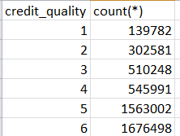
10 | Validate - count for place_name = 'Chilliwack West' | SELECT COUNT (*) FROM (SELECT r.*, NVL(p.place_name,"N/A") AS place_name FROM (SELECT NVL(d.consumer_province,"N/A") AS consumer_province, NVL(d.consumer_city,"N/A") AS consumer_city, IF(d.consumer_postal IS NULL OR LENGTH(TRIM(d.consumer_postal)) = 0,"N/A",d.consumer_postal) AS consumer_postal, COUNT(*) AS occurrences FROM (select * from autoinsights_test_db.dealertrack_summary where dt_archive <=201909)d WHERE d.dt_archive > 0 AND d.laststatus IN ('APPROVED','CONDITIONAL APPROVAL','BOOKED') AND YEAR(d.laststatusdate) >= YEAR(current_timestamp()) - 3 GROUP BY NVL(d.consumer_province,"N/A"), NVL(d.consumer_city,"N/A"), IF(d.consumer_postal IS NULL OR LENGTH(TRIM(d.consumer_postal)) = 0,"N/A",d.consumer_postal) ORDER BY occurrences DESC, consumer_province, consumer_city, consumer_postal LIMIT 99999) r LEFT OUTER JOIN autoinsights_test_db.place_name p ON SUBSTR(r.consumer_postal,1,3) = p.postal_code) a WHERE a.place_name = "Chilliwack West" | 304
 |  | 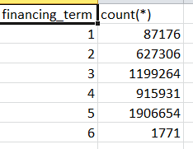 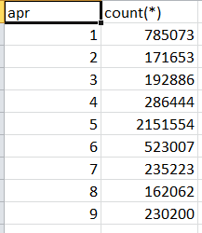 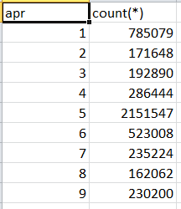 SELECT COUNT（*） FROM AUTOLEADGEN_MGR.alg_dim_consumer_geography WHERE geo_id <= 99999 AND place_name = 'Chilliwack West'; | 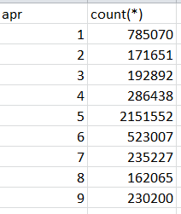 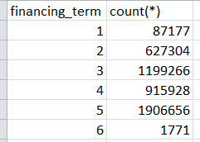 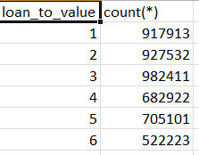 304 | pass

alg_fact_alg_dealer
Number |  | Test Scenario | Result | Status
1 | Validate | Each field type is correct according to the schema |  | pass

2 | validate - is_subvented | Cambrian- select c.subvented, count(*) from (select t.applicationprofileid, t.laststatus,laststatusdate, subvented from (select * from autoinsights_test_db.dealertrack_summary where dt_archive <=201908) t )c where c.laststatus IN ("APPROVED","CONDITIONAL APPROVAL","BOOKED") and YEAR(c.laststatusdate) >= YEAR(current_timestamp()) - 3 group by c.subvented order by c.subvented limit 99999;
 |  | Oracle - SELECT * FROM (select is_subvented,sum(record_count)as count from AUTOLEADGEN_MGR.alg_fact_alg_dealer group by year_month,is_subvented order by year_month,is_subvented) |  | pass

3 | validate - funding_type | Cambrian - select c.fundingtype, count(*) from (select t.applicationprofileid, t.laststatus,laststatusdate, fundingtype from (select * from autoinsights_test_db.dealertrack_summary where dt_archive <=201908)t )c where c.laststatus IN ("APPROVED","CONDITIONAL APPROVAL","BOOKED") and YEAR(c.laststatusdate)>= YEAR(current_timestamp()) - 3 group by c.fundingtype order by c.fundingtype limit 99;
 |  | Oracle - SELECT * FROM (select funding_type,sum(record_count)as count from AUTOLEADGEN_MGR.alg_fact_alg_dealer group by year_month,funding_type order by year_month,funding_type) |  | pass

4 | Validate - finance_term_band | Cambrian - select c.finance_term_band, count(*) from (select d.applicationprofileid,d.laststatus, laststatusdate,CASE WHEN d.borrowingterm IS NULL THEN "N/A" WHEN d.borrowingterm < 36 THEN "< 36 MONTHS" WHEN d.borrowingterm <= 48 THEN "36-48 MONTHS" WHEN d.borrowingterm <= 60 THEN "49-60 MONTHS" WHEN d.borrowingterm <= 72 THEN "61-72 MONTHS" ELSE "72+ MONTHS" END AS finance_term_band from autoinsights_test_db.dealertrack_summary d where d.laststatus IN ("APPROVED","CONDITIONAL APPROVAL","BOOKED")and dt_archive <=201908)c where YEAR(c.laststatusdate)>= YEAR(current_timestamp()) - 3 group by c.finance_term_band order by c.finance_term_band limit 99; | 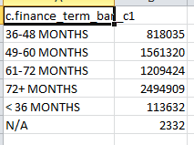 | pass
 |  | Oracle - SELECT * FROM (select finance_term_band,sum(record_count)as count from AUTOLEADGEN_MGR.alg_fact_alg_dealer group by year_month,finance_term_band order by year_month,finance_term_band) | 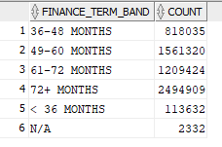

5 | Validate - income_band | Oracle - select distinct(income_band) from AUTOLEADGEN_MGR.alg_fact_alg_dealer |  | pass

6 | Validate - amt_financed_band | Cambrian - select c.amt_financed_band, count(*) from (select d.applicationprofileid,d.laststatus, laststatusdate, CASE WHEN d.totalamountfinanced IS NULL THEN "N/A" WHEN d.totalamountfinanced <= 10000 THEN "0 - 10K" WHEN d.totalamountfinanced <= 20000 THEN "11 - 20K" WHEN d.totalamountfinanced <= 30000 THEN "21 - 30K" WHEN d.totalamountfinanced <= 45000 THEN "31 - 45K" WHEN d.totalamountfinanced <= 60000 THEN "46 - 60K" WHEN d.totalamountfinanced <= 100000 THEN "61 - 100K" ELSE "100K+" END AS amt_financed_band from autoinsights_test_db.dealertrack_summary d where d.laststatus IN ("APPROVED","CONDITIONAL APPROVAL","BOOKED")and dt_archive <=201908)c where YEAR(c.laststatusdate)>= YEAR(current_timestamp()) - 3 group by c.amt_financed_band order by c.amt_financed_band limit 99; | 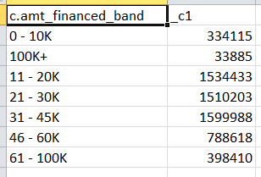
 |  | SELECT * FROM (select amt_financed_band,sum(record_count)as count from AUTOLEADGEN_MGR.alg_fact_alg_dealer group by year_month,amt_financed_band order by year_month,amt_financed_band) | 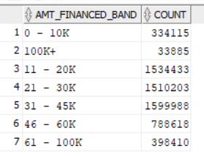 | pass

7 | Validate - credit_quality | Cambrian - select c.credit_quality, count(*) from (select d.applicationprofileid,d.laststatus, laststatusdate,case WHEN d.ers_score IS NULL THEN "N/A" WHEN d.ers_score <= 540 THEN "Deep Non-Prime (0-540)" WHEN d.ers_score <= 620 THEN "Non-Prime (540-620)" WHEN d.ers_score <= 680 THEN "New Prime (620-680)" WHEN d.ers_score <= 720 THEN "Prime (680-720)" ELSE "Super Prime (720+)" end as credit_quality from autoinsights_test_db.dealertrack_summary d where d.laststatus IN ("APPROVED","CONDITIONAL APPROVAL","BOOKED") and dt_archive <=201908)c where YEAR(c.laststatusdate) >= YEAR(current_timestamp()) - 3 group by c.credit_quality order by c.credit_quality limit 10; | 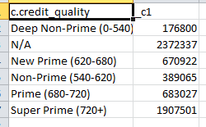
 |  | Oracle - SELECT * FROM (select credit_quality,sum(record_count)as count from AUTOLEADGEN_MGR.alg_fact_alg_dealer group by year_month,credit_quality order by year_month,credit_quality) | 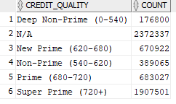 | pass

8 | Validate - loan_paid_band | Cambrian - select c.loan_paid_band, count(*) from (select s.application_profile_id, CASE WHEN s.loan_paid_pct IS NULL THEN "N/A" WHEN s.loan_paid_pct <= 50 THEN "< 50%" WHEN s.loan_paid_pct <= 75 THEN "51 - 75%" WHEN s.loan_paid_pct <= 90 THEN "76 - 90%" ELSE "90%+" END AS loan_paid_band from qa.lead_gen_scores_facts_atm s )c group by c.loan_paid_band order by c.loan_paid_band limit 10; | 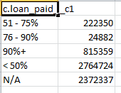
 |  | Oracle - SELECT * FROM (select loan_paid_band,sum(record_count)as count from AUTOLEADGEN_MGR.alg_fact_alg_dealer group by year_month,loan_paid_band order by year_month,loan_paid_band) | 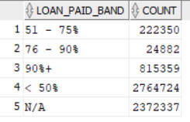 | pass

9 | Validate - ltv_band | Cambrian - select c.ltv_band, count(*) from (select d.applicationprofileid,d.laststatus, d.laststatusdate, CASE WHEN d.ltv IS NULL THEN "N/A" WHEN d.ltv < 100 THEN "< 100%" WHEN d.ltv < 120 THEN "100 to 120%" WHEN d.ltv < 140 THEN "120 to 140%" WHEN d.ltv < 160 THEN "140 to 160%" ELSE "160%+" END AS ltv_band from autoinsights_test_db.dealertrack_summary d where d.laststatus IN ("APPROVED","CONDITIONAL APPROVAL","BOOKED") and dt_archive <=201908)c where YEAR(c.laststatusdate)>= YEAR(current_timestamp()) - 3 group by c.ltv_band order by c.ltv_band; | 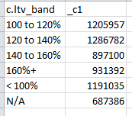
 |  | Oracle- SELECT * FROM (select ltv_band,sum(record_count)as count from AUTOLEADGEN_MGR.alg_fact_alg_dealer group by year_month,ltv_band order by year_month,ltv_band) | 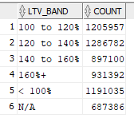 | pass

10 | Validate - apr_band | Cambrian - select c.apr_band, count(*) from (select d.applicationprofileid,d.laststatus, d.laststatusdate, CASE WHEN d.actualinterestrate IS NULL THEN "N/A" WHEN d.actualinterestrate < 1 THEN "0 - 1%" WHEN d.actualinterestrate < 2 THEN "1 - 2%" WHEN d.actualinterestrate < 3 THEN "2 - 3%" WHEN d.actualinterestrate < 4 THEN "3 - 4%" WHEN d.actualinterestrate < 7 THEN "4 - 7%" WHEN d.actualinterestrate < 10 THEN "7 - 10%" WHEN d.actualinterestrate < 15 THEN "10 - 15%" WHEN d.actualinterestrate < 20 THEN "15 - 20%" ELSE "20%+" END AS apr_band from autoinsights_test_db.dealertrack_summary d where d.laststatus IN ("APPROVED","CONDITIONAL APPROVAL","BOOKED") and dt_archive <=201908)c where YEAR(c.laststatusdate)>= YEAR(current_timestamp()) - 3 group by c.apr_band order by c.apr_band limit 15; | 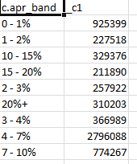
 |  | Oracle - SELECT * FROM (select apr_band,sum(record_count)as count from AUTOLEADGEN_MGR.alg_fact_alg_dealer group by year_month,apr_band order by year_month,apr_band) | 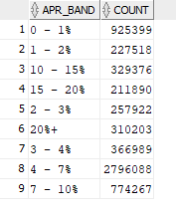 | pass

11 | Validate - months_to_maturity_band | Cambrian - select c.months_to_maturity_band, count(*) from (select s.application_profile_id, CASE WHEN s.months_to_maturity IS NULL THEN "N/A" WHEN s.months_to_maturity <= 3 THEN "0-3 Months" WHEN s.months_to_maturity <= 6 THEN "4-6 Months" WHEN s.months_to_maturity <= 9 THEN "7-9 Months" WHEN s.months_to_maturity <= 12 THEN "10-12 Months" ELSE "12+ Months" END AS months_to_maturity_band from qa.lead_gen_scores_facts_atm_atm s )c group by c.months_to_maturity_band order by c.months_to_maturity_band limit 10; | 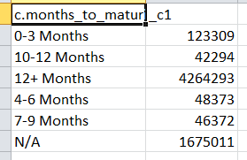
 |  | Oracle - SELECT * FROM (select months_to_maturity_band,sum(record_count)as count from AUTOLEADGEN_MGR.alg_fact_alg_dealer group by year_month,months_to_maturity_band order by year_month,months_to_maturity_band) | 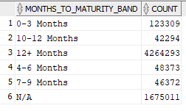 | pass

12 | Validate - purchased_likelihood | Cambrian - select r.purchase_likelihood, count(*) from (select c.application_profile_id, CASE WHEN c.maturity_score IS NULL OR c.loan_paid_score IS NULL THEN "N/A" WHEN c.maturity_score + c.loan_paid_score < 2 THEN "Unlikely" WHEN c.maturity_score + c.loan_paid_score < 6 THEN "Very likely" ELSE "Extremely likely" END AS purchase_likelihood from ( select s.application_profile_id, CASE WHEN s.loan_paid_pct IS NULL THEN NULL WHEN s.loan_paid_pct <= 50 THEN 0 WHEN s.loan_paid_pct <= 75 THEN 1 WHEN s.loan_paid_pct <= 90 THEN 2 ELSE 3 END AS loan_paid_score, CASE WHEN s.months_to_maturity IS NULL THEN NULL WHEN s.months_to_maturity <= 3 THEN 5 WHEN s.months_to_maturity <= 6 THEN 4 WHEN s.months_to_maturity <= 9 THEN 3 WHEN s.months_to_maturity <= 12 THEN 2 ELSE 1 END AS maturity_score from qa.lead_gen_scores_facts_atm s )c)r group by r.purchase_likelihood order by r.purchase_likelihood limit 10 | 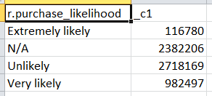
 |  | Oracle - SELECT * FROM (select purchase_likelihood,sum(record_count)as count from AUTOLEADGEN_MGR.alg_fact_alg_dealer group by year_month,purchase_likelihood order by year_month,purchase_likelihood) |  | pass

13 | Validate - record_count | Compare count from source table in Cambrian and target table in Oracle
 |  | select count(*) from autoinsights_test_db.dealertrack_summary where laststatus IN ("APPROVED","CONDITIONAL APPROVAL","BOOKED") and YEAR(laststatusdate) >= YEAR(current_timestamp()) - 3 and dt_archive <=201908 | 6199652
 |  | select count(*) from | 6199652 | pass

195879594414.14
14 | Validate - amt_financed | Cambrian - SELECT SUM(totalamountfinanced) FROM autoinsights_test_db.dealertrack_summary WHERE dt_archive > 0 AND laststatus IN ("APPROVED","CONDITIONAL APPROVAL","BOOKED") AND YEAR(laststatusdate) >= YEAR(CURRENT_timestamp()) - 3 and dt_archive <= 201908
 |  | Oracle - SELECT SUM(amt_financed) FROM AUTOLEADGEN_MGR.alg_fact_alg_dealer; | 195879594414.14 | pass

15 | Validate - vehicle_price | Cambrian - select c.vehicle_price, count(*) from (select lg.application_profile_id, round(vehicle_price) as vehicle_price from qa.atm_fact lg )c group by c.vehicle_price order by c.vehicle_price limit 99999
 |  | Oracle - select * from (SELECT * FROM (select vehicle_price,sum(record_count)as count from AUTOLEADGEN_MGR.alg_fact_alg_dealer group by year_month,vehicle_price order by year_month,vehicle_price)) where rownum<= 99999; |  | pass

16 | Validate - balance_amt | Cambrian - SELECT SUM(balance) FROM (select * from autoinsights_test_db.dealertrack_summary where dt_archive <= 201908) d left outer join qa.trade_performance_facts_atm t on t.application_profile_id = d.applicationprofileid where d.laststatus IN ("APPROVED","CONDITIONAL APPROVAL","BOOKED") and YEAR(d.laststatusdate) >= YEAR(current_timestamp()) - 3 | 77028722089
 |  | Oracle - SELECT SUM(balance_amt) FROM AUTOLEADGEN_MGR.alg_fact_alg_dealer | 77028722089 | pass

17 | validate - credit_limit | Cambrian - SELECT SUM(trade_credit_limit) FROM autoinsights_test_db.dealertrack_summary WHERE dt_archive > 0 and dt_archive <= 201908 AND laststatus IN ("APPROVED","CONDITIONAL APPROVAL","BOOKED") AND YEAR(laststatusdate) >= YEAR(CURRENT_DATE()) - 3 | 124068463615 | pass
 |  | Oracle - SELECT SUM(credit_limit) FROM alg_fact_alg_dealer; | 124068463615

18 | Validate - income | SELECT * FROM (select income,sum(record_count)as count from AUTOLEADGEN_MGR.alg_fact_alg_dealer group by year_month,income order by year_month,income); | 6199652 | pass

19 | Validate - loan_to_value | Cambrian - SELECT SUM(ltv) FROM autoinsights_test_db.dealertrack_summary WHERE dt_archive > 0 and dt_archive <= 201908 AND laststatus IN ("APPROVED","CONDITIONAL APPROVAL","BOOKED") AND YEAR(laststatusdate) >= YEAR(current_timestamp()) - 3 | 700743941.50000668
 |  | Oracle - SELECT SUM(loan_to_value) FROM AUTOLEADGEN_MGR.alg_fact_alg_dealer; | 700743941.5 | pass

20 | Validate - monthly_installment | Cambrian - select c.monthly_installment, count(*) from (select lg.applicationprofileid, monthlypayment as monthly_installment from autoinsights_test_db.dealertrack_summary lg where dt_archive<= 201908 AND laststatus IN ("APPROVED","CONDITIONAL APPROVAL","BOOKED") AND YEAR(laststatusdate) >= YEAR(current_timestamp()) - 3)c group by c.monthly_installment order by c.monthly_installment limit 99999
 |  | Oracle : select * from (SELECT * FROM (select monthly_installment,sum(record_count)as count from AUTOLEADGEN_MGR.alg_fact_alg_dealer group by year_month,monthly_installment order by year_month,monthly_installment)) where rownum<= 99999; |  | pass

21 | Validate - purchase_likelihood_score | select lg. purchase_likelyhood_score, count(*) from ( select c.application_profile_id,c.maturity_score + c.loan_paid_score AS purchase_likelyhood_score from( select s.application_profile_id, CASE WHEN s.loan_paid_pct IS NULL THEN NULL WHEN s.loan_paid_pct <= 50 THEN 0 WHEN s.loan_paid_pct <= 75 THEN 1 WHEN s.loan_paid_pct <= 90 THEN 2 ELSE 3 END AS loan_paid_score, CASE WHEN s.months_to_maturity IS NULL THEN NULL WHEN s.months_to_maturity <= 3 THEN 5 WHEN s.months_to_maturity <= 6 THEN 4 WHEN s.months_to_maturity <= 9 THEN 3 WHEN s.months_to_maturity <= 12 THEN 2 ELSE 1 END AS maturity_score from qa.lead_gen_scores_facts_atm s )c)lg group by lg.purchase_likelyhood_score order by lg.purchase_likelyhood_score limit 10; | 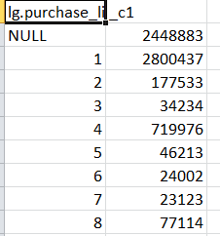
 |  | SELECT * FROM (select purchase_likelihood_score,sum(record_count)as count from AUTOLEADGEN_MGR.alg_fact_alg_dealer group by purchase_likelihood_score order by purchase_likelihood_score); | 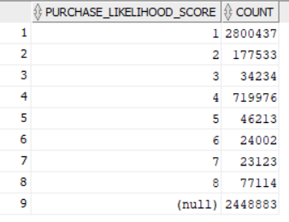 | pass

22 | Validate - apr | Cambrian - SELECT SUM(actualinterestrate) FROM autoinsights_test_db.dealertrack_summary WHERE dt_archive > 0 and dt_archive<= 201908 AND laststatus IN ("APPROVED","CONDITIONAL APPROVAL","BOOKED") AND YEAR(laststatusdate) >= YEAR(current_timestamp()) - 3 | 41712596.600318678
 |  | Oracle - SELECT SUM(apr) FROM AUTOLEADGEN_MGR.alg_fact_alg_dealer | 41712596.61 | pass

23 | Validate - total_borrowing_term | Cambrian - SELECT SUM(borrowingterm) FROM autoinsights_test_db.dealertrack_summary WHERE dt_archive > 0 dt_archive<= 201908 AND laststatus IN ("APPROVED","CONDITIONAL APPROVAL","BOOKED") AND YEAR(laststatusdate) >= YEAR(current_timestamp()) - 3 | 443931772
 |  | SELECT SUM(total_borrowing_term) FROM AUTOLEADGEN_MGR.alg_fact_alg_dealer; | 443931772

24 | Validate - months_to_maturity | Cambrian - select c.months_to_maturity, count(*) from (select s.application_profile_id, months_to_maturity from qa.lead_gen_scores_facts_atm s )c group by c.months_to_maturity order by c.months_to_maturity desc limit 99999;
 |  | Oracle - SELECT * FROM (select months_to_maturity,sum(record_count)as count from AUTOLEADGEN_MGR.alg_fact_alg_dealer group by year_month,months_to_maturity order by year_month,months_to_maturity desc; |  | pass

25 | Validate - credit_score | Cambrian - SELECT SUM(ers_score) FROM autoinsights_test_db.dealertrack_summary WHERE dt_archive > 0 dt_archive<= 201908 AND laststatus IN ("APPROVED","CONDITIONAL APPROVAL","BOOKED") AND YEAR(laststatusdate) >= YEAR(current_timestamp()) - 3 | 2755374561
 |  | Oracle - SELECT SUM(credit_score) FROM AUTOLEADGEN_MGR.alg_fact_alg_dealer; | 2755374561 | pass

26 | Validate - maturity_score | Cambrian - select c.maturity_score, count(*) from (select s.application_profile_id, CASE WHEN s.months_to_maturity IS NULL THEN NULL WHEN s.months_to_maturity <= 3 THEN 5 WHEN s.months_to_maturity <= 6 THEN 4 WHEN s.months_to_maturity <= 9 THEN 3 WHEN s.months_to_maturity <= 12 THEN 2 ELSE 1 END AS maturity_score from qa.lead_gen_scores_facts_atm s )c group by c.maturity_score order by c.maturity_score; | 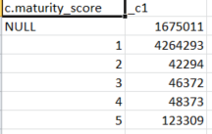
 |  | Oracle - SELECT * FROM (select maturity_score,sum(record_count)as count from AUTOLEADGEN_MGR.alg_fact_alg_dealer group by year_month,maturity_score order by year_month,maturity_score desc); | 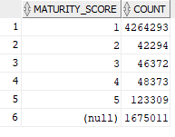 | pass

27 | Validate - loan_pad_score | Cambrian - select c.loan_paid_score, count(*) from (select s.application_profile_id, CASE WHEN s.loan_paid_pct IS NULL THEN NULL WHEN s.loan_paid_pct <= 50 THEN 0 WHEN s.loan_paid_pct <= 75 THEN 1 WHEN s.loan_paid_pct <= 90 THEN 2 ELSE 3 END AS loan_paid_score from qa.lead_gen_scores_facts_atm s )c group by c.loan_paid_score order by c.loan_paid_score limit 10; | 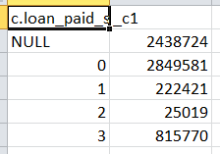
 |  | Oracle - SELECT * FROM (select loan_paid_score,sum(record_count)as count from AUTOLEADGEN_MGR.alg_fact_alg_dealer group by year_month,loan_paid_score order by year_month,loan_paid_score ); | 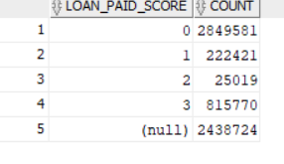 | pass

28 | Validate - bni2_score | Cambrian - SELECT SUM(bni_score) FROM autoinsights_test_db.dealertrack_summary WHERE dt_archive > 0 AND laststatus IN ("APPROVED","CONDITIONAL APPROVAL","BOOKED") AND YEAR(laststatusdate) >= YEAR(current_timestamp()) - 3 | 3327872866
 |  | Oracle - SELECT SUM(bni2_score) FROM AUTOLEADGEN_MGR.alg_fact_alg_dealer; | 3327872866 | pass

29 | Validate - customer_Age_band | Cambrian - select c.customer_Age_band, count(*) from (select lg.applicationprofileid, NVL(lg.consumer_age_cat,"N/A") AS customer_Age_band,lg.laststatus, lg.laststatusdate from autoinsights_test_db.dealertrack_summary lg where lg.laststatus IN ("APPROVED","CONDITIONAL APPROVAL","BOOKED"))c where YEAR(c.laststatusdate)>= YEAR(current_timestamp()) - 3 group by c.customer_Age_band order by c.customer_Age_band | 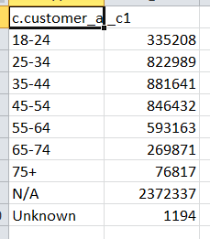
 |  | Oracle - SELECT * FROM (select customer_Age_band,sum(record_count)as count from AUTOLEADGEN_MGR.alg_fact_alg_dealer group by year_month,customer_Age_band order by year_month,customer_Age_band); | 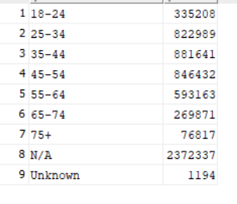 | pass

